WAR_SECMED_MULTI
NOM DU PROFIL | SITE | FONCTION | SERVICE | CATEGORIE | TYPE | DESCRIPTION | NUMPRO | ORDRE | TABLEAU BLANC | SERVICE | SOUS-PROFIL | LOGIN | NUMUSER REF | LOGIN DE REF | TYPE | MAIL | Logon.bat | MATRICE

RADIOLOGIE WAR | CLINIQUE CHC WAREMME (WAR) | SECRETAIRE MEDICAL | RADIOLOGIE | SEC | SECRETAIRE | Radiologie Waremme | 347 | 1
 |  |  |  |  | TARIF | Radio Waremme | 345 | 2
 |  |  |  |  | PATRONS RADIOLOGIE | RADIOLOGIE | 1102 | 3
 |  |  |  |  | MENU | Radiologie | 173 | 4

CHIR PLASTIQUE WAR | CLINIQUE CHC WAREMME (WAR) | SECRETAIRE MEDICAL | CHIRURGIE PLASTIQUE | SEC | SECRETAIRE | Chirurgie Plastique | 113 | 1
 |  |  |  |  | PATRONS WAR | Chirurgie plastique | 268 | 2
 |  |  |  |  | MENU | Secrétaire + Agd | 195 | 3

CHIR VASCULAIRE WAR | CLINIQUE CHC WAREMME (WAR) | SECRETAIRE MEDICAL | CHIRURGIE VASCULAIRE | SEC | SECRETAIRE | Chirurgie Vasculaire | 114 | 1
 |  |  |  |  | PATRONS WAR | Chirurgie vasculaire | 274 | 2
 |  |  |  |  | MENU | Secrétaire + Agd | 195 | 3

DERMATOLOGIE WAR | CLINIQUE CHC WAREMME (WAR) | SECRETAIRE MEDICAL | DERMATOLOGIE | SEC | SECRETAIRE | Dermatologie | 116 | 1
 |  |  |  |  | PATRONS WAR | Dermatologie | 283 | 2
 |  |  |  |  | MENU | Secrétaire + Agd | 195 | 3

ENDOCRINO WAR | CLINIQUE CHC WAREMME (WAR) | SECRETAIRE MEDICAL | ENDOCRINOLOGIE | SEC | SECRETAIRE | Endocrinologie | 117 | 1
 |  |  |  |  | PATRONS WAR | Endocrinologie | 280 | 2
 |  |  |  |  | MENU | Secrétaire + Agd | 195 | 3

GASTRO WAR | CLINIQUE CHC WAREMME (WAR) | SECRETAIRE MEDICAL | GASTROLOGIE | SEC | SECRETAIRE | Gastro-entérologie | 118 | 1
 |  |  |  |  | PATRONS WAR | Gastro-entérologie | 288 | 2
 |  |  |  |  | MENU | Secrétaire + Agd | 195 | 3

MED PHYSIQUE WAR | CLINIQUE CHC WAREMME (WAR) | SECRETAIRE MEDICAL | MEDECINE PHYSIQUE | SEC | SECRETAIRE | Médecine Physique | 347 | 1
 |  |  |  |  | PATRONS WAR | Médecine physique | 345 | 2
 |  |  |  |  | PATRONS WAR | Rhumatologie | 1102 | 3
 |  |  |  |  | MENU | Secrétaire + Agd | 173 | 4

NEPHRO WAR | CLINIQUE CHC WAREMME (WAR) | SECRETAIRE MEDICAL | NEPHROLOGIE | SEC | SECRETAIRE | Néphrologie | 404 | 1
 |  |  |  |  | PATRONS WAR | Néphrologie | 314 | 2
 |  |  |  |  | MENU | Secrétaire + Agd | 195 | 3

ONCO WAR | CLINIQUE CHC WAREMME (WAR) | SECRETAIRE MEDICAL | ONCOLOGIE | SEC | SECRETAIRE | Oncologie | 131 | 1
 |  |  |  |  | TRANSFERT | Oncologie | 885 | 2
 |  |  |  |  | PATRONS WAR | Oncologie | 330 | 3
 |  |  |  |  | MENU | Secrétaire + Agd | 195 | 4

ORL WAR | CLINIQUE CHC WAREMME (WAR) | SECRETAIRE MEDICAL | ORL | SEC | SECRETAIRE | O.R.L. | 133 | 1
 |  |  |  |  | PATRONS WAR | ORL | 339 | 2
 |  |  |  |  | MENU | Secrétaire + Agd | 195 | 3

PNEUMO WAR | CLINIQUE CHC WAREMME (WAR) | SECRETAIRE MEDICAL | PNEUMOLOGIE | SEC | SECRETAIRE | Pneumologie | 136 | 1
 |  |  |  |  | PATRONS WAR | Pneumologie | 353 | 2
 |  |  |  |  | MENU | Secrétaire + Agd | 195 | 3

PSYCHO WAR | CLINIQUE CHC WAREMME (WAR) | SECRETAIRE MEDICAL | PSYCHOLOGIE | SEC | SECRETAIRE | Psychologie | 140 | 1
 |  |  |  |  | PATRONS WAR | Psychologie | 360 | 2
 |  |  |  |  | MENU | Secrétaire + Agd | 195 | 3

NEURO WAR | CLINIQUE CHC WAREMME (WAR) | SECRETAIRE MEDICAL | NEUROLOGIE | SEC | SECRETAIRE | Neurologie | 129 | 1
 |  |  |  |  | PATRONS WAR | Neurologie | 322 | 2
 |  |  |  |  | MENU | Secrétaire + Agd | 195 | 3

GERIATRIE WAR | CLINIQUE CHC WAREMME (WAR) | SECRETAIRE MEDICAL | GERIATRIE | SEC | SECRETAIRE | Gériatrie | 403 | 1
 |  |  |  |  | PATRONS WAR | Geriatrie | 893 | 2
 |  |  |  |  | MENU | Secrétaire + Agd | 195 | 3

CARDIO WAR | CLINIQUE CHC WAREMME (WAR) | SECRETAIRE MEDICAL | CARDIOLOGIE | SEC | SECRETAIRE | Cardiologie | 105 | 1
 |  |  |  |  | AGENDA | Cardio Waremme | 391 | 2
 |  |  |  |  | PATRONS WAR | Cardiologie | 238 | 3
 |  |  |  |  | MENU | Secrétaire + Agd | 195 | 4

CHIR ORHO WAR | CLINIQUE CHC WAREMME (WAR) | SECRETAIRE MEDICAL | CHIRURGIE ORTHOPEDIQUE | SEC | SECRETAIRE | Chirurgie Orthopédique | 112 | 1
 |  |  |  |  | PATRONS WAR | Chirurgie orthopédique | 262 | 2
 |  |  |  |  | MENU | Secrétaire + Agd | 195 | 3

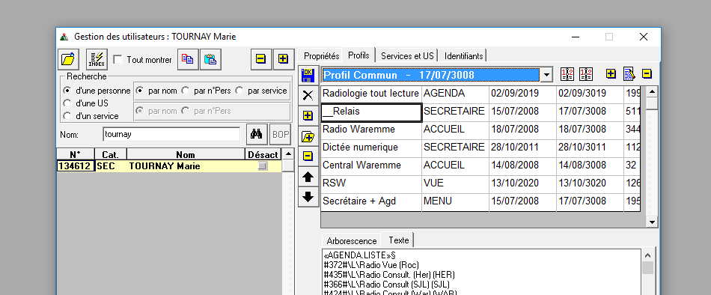
Voir profil Marie Tournay au besoin

